Mock Up
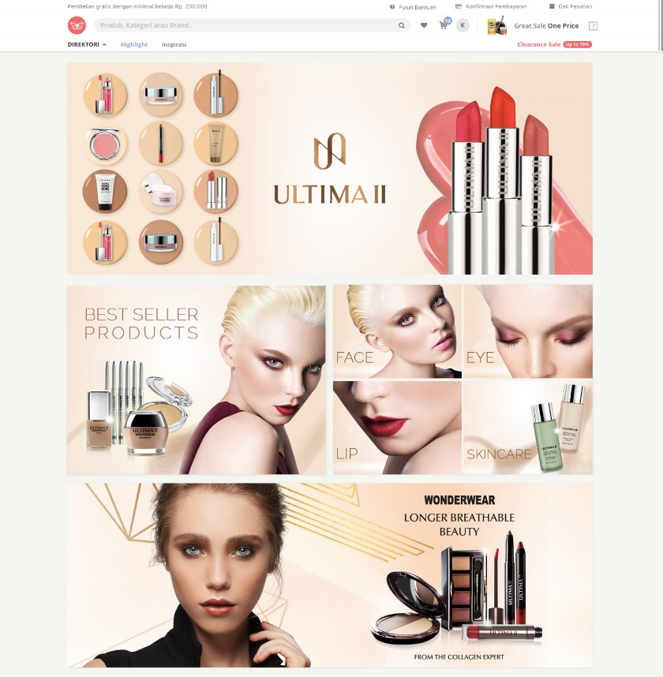
 |  | Main Banner --> Hero Banner

Regular Banner |  | Category Page (4 small banners)

 |  | Wonderwear --> Medium Banner

 | SKU Selengkapnya

 | Artikel

